Hiearchy View
Class: PARAPET
a barrier that is an extension of the wall at the edge of a roof, terrace, balcony, walkway or other structure. | 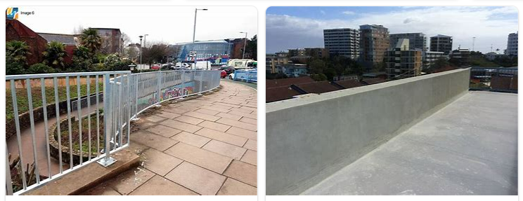
REMOVE | N

PROBLEM_DESC | CAUSE_DESC | REMEDY_DESC
ALARM/SENSOR
BROKEN/DAMAGED
LEAKING
LIGHTING
NOISE
OTHER PROBLEM
OVERHEATING
PESTS
POWER-ELEC
PRESSURE
SMELL
STOPPED/SLOWED/POOR OPS
TEMP-CTRL
VIBRATION
Grand Total

